Measurement Form
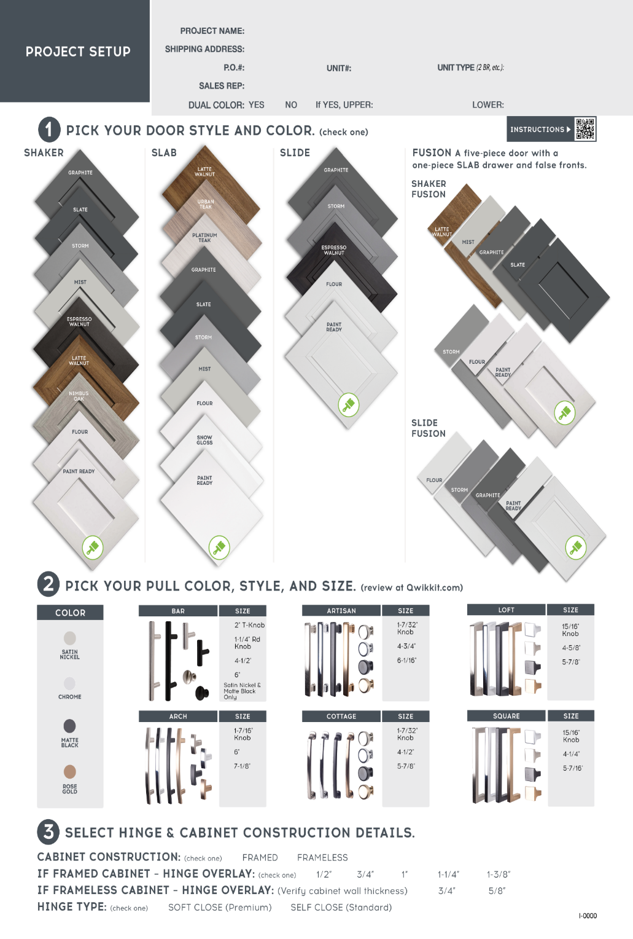
MEASUREMENT
FORM

 |  |  |  |  |  | SLAB STYLE ONLY
Unit # | LABEL NOTES (19 characters maximum) | PART TYPE | WIDTH | HEIGHT | QTY | CABINET LOCATION (Up \ Low) | HINGE LOCATION (L \ R side)

Hinge Overlay
Guide

(Soft Close Only)

 |  |  |  |  | 0 |  | Total number of parts

